basic
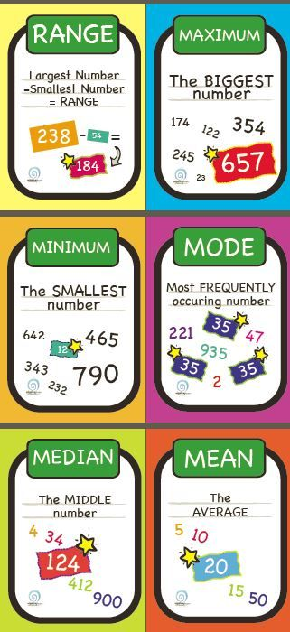
Murid | Nilai 2 | Distribusi | Nilai 1
1 | 9 | 1 | 12
2 | 9 | 2 | 9
3 | 5 | 3 | 7
4 | 5 | 4 | 8
5 | 3 | 5 | 10
6 | 5 | 6 | 15
7 | 8 | 7 | 11
8 | 8 | 8 | 8
9 | 9 | 9 | 16
10 | 6 | 10 | 4
11 | 5 | MAX | 10
12 | 2 | MIN | 1
13 | 5 | RANGE | 9
14 | 6 | MODE | 9
15 | 5 | MEDIAN | 6
16 | 6
17 | 7
18 | 10
19 | 2
20 | 3
21 | 4
22 | 9
23 | 1
24 | 7
25 | 7
26 | 4
27 | 9
28 | 8
29 | 10
30 | 1
31 | 6
32 | 1
33 | 1
34 | 8
35 | 6
36 | 1
37 | 4
38 | 1
39 | 5
40 | 2
41 | 9
42 | 1
43 | 4
44 | 6
45 | 8
46 | 9
47 | 2
48 | 7
49 | 9
50 | 6
51 | 8
52 | 9
53 | 1
54 | 10
55 | 9
56 | 6
57 | 7
58 | 5
59 | 3
60 | 4
61 | 2
62 | 6
63 | 5
64 | 2
65 | 3
66 | 5
67 | 2
68 | 2
69 | 9
70 | 1
71 | 8
72 | 7
73 | 4
74 | 8
75 | 6
76 | 6
77 | 10
78 | 9
79 | 6
80 | 3
81 | 1
82 | 7
83 | 4
84 | 7
85 | 4
86 | 3
87 | 9
88 | 9
89 | 7
90 | 6
91 | 6
92 | 1
93 | 2
94 | 9
95 | 7
96 | 6
97 | 1
98 | 3
99 | 9
100 | 7

skew
Murid | Nilai 1 | Nilai 2 | Nilai 3 | Distribusi | Nilai 1 | Nilai 2 | Nilai 3
1 | 2 | 5 | 8 | 1 | 16 | 4 | 0
2 | 0 | 6 | 10 | 2 | 22 | 7 | 0
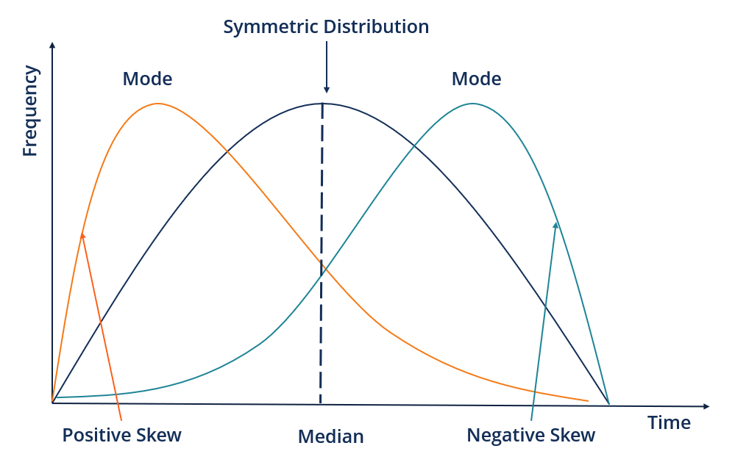
3 | 0 | 6 | 10 | 3 | 22 | 10 | 2
4 | 1 | 9 | 9 | 4 | 12 | 13 | 4
5 | 1 | 5 | 9 | 5 | 12 | 16 | 12
6 | 3 | 7 | 7 | 6 | 4 | 16 | 12
7 | 4 | 1 | 6 | 7 | 2 | 13 | 22
8 | 0 | 2 | 10 | 8 | 0 | 10 | 22
9 | 3 | 3 | 7 | 9 | 0 | 7 | 16
10 | 2 | 5 | 8 | 10 | 0 | 4 | 10
11 | 2 | 8 | 8 | MEAN | 2.72 | 4.9 | 7.28
12 | 1 | 7 | 9 | MODE | 2 | 5 | 8
13 | 4 | 2 | 6 | MEDIAN | 3 | 5.5 | 7
14 | 6 | 1 | 4 | SKEW | 0.35 | (0.00) | (0.35)
15 | 5 | 7 | 5
16 | 0 | 7 | 10
17 | 3 | 8 | 7
18 | 5 | 3 | 5
Nilai 1 - Positive Skew
19 | 0 | 8 | 10
Nilai 2 - Symetrics
Nilai 3 - Negative Skew
20 | 1 | 6 | 9
21 | 2 | 2 | 8
22 | 7 | 5 | 3
23 | 4 | 3 | 6
24 | 3 | 7 | 7
25 | 2 | 9 | 8
26 | 2 | 2 | 8
27 | 2 | 6 | 8
28 | 3 | 9 | 7
29 | 4 | 4 | 6
30 | 6 | 4 | 4
31 | 3 | 5 | 7
32 | 1 | 9 | 9
33 | 5 | 3 | 5
34 | 3 | 5 | 7
35 | 2 | 4 | 8
36 | 3 | 6 | 7
37 | 4 | 7 | 6
38 | 1 | 8 | 9
39 | 5 | 6 | 5
40 | 2 | 4 | 8
41 | 2 | 5 | 8
42 | 0 | 4 | 10
43 | 0 | 6 | 10
44 | 1 | 9 | 9
45 | 1 | 5 | 9
46 | 3 | 7 | 7
47 | 4 | 1 | 6
48 | 0 | 2 | 10
49 | 3 | 3 | 7
50 | 2 | 5 | 8
51 | 2 | 8 | 8
52 | 1 | 7 | 9
53 | 4 | 1 | 6
54 | 6 | 10 | 4
55 | 5 | 7 | 5
56 | 0 | 6 | 10
57 | 3 | 8 | 7
58 | 5 | 3 | 5
59 | 0 | 8 | 10
60 | 1 | 6 | 9
61 | 2 | 2 | 8
62 | 7 | 5 | 3
63 | 4 | 3 | 6
64 | 3 | 7 | 7
65 | 2 | 9 | 8
66 | 2 | 2 | 8
67 | 2 | 6 | 8
68 | 3 | 9 | 7
69 | 4 | 4 | 6
70 | 6 | 4 | 4
71 | 3 | 5 | 7
72 | 1 | 10 | 9
73 | 5 | 3 | 5
74 | 3 | 5 | 7
75 | 2 | 4 | 8
76 | 3 | 6 | 7
77 | 4 | 7 | 6
78 | 1 | 8 | 9
79 | 5 | 6 | 5
80 | 2 | 4 | 8
81 | 3 | 5 | 7
82 | 1 | 10 | 9
83 | 5 | 3 | 5
84 | 3 | 5 | 7
85 | 2 | 4 | 8
86 | 3 | 6 | 7
87 | 4 | 7 | 6
88 | 1 | 8 | 9
89 | 5 | 6 | 5
90 | 2 | 4 | 8
91 | 3 | 5 | 7
92 | 1 | 10 | 9
93 | 5 | 3 | 5
94 | 3 | 5 | 7
95 | 2 | 4 | 8
96 | 3 | 6 | 7
97 | 4 | 7 | 6
98 | 1 | 8 | 9
99 | 5 | 6 | 5
100 | 2 | 4 | 8

kurtosis
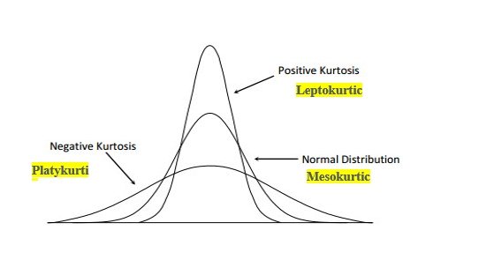
Murid | Nilai 1 | Nilai 2 | Nilai 3 | Distribusi | Nilai 1 | Nilai 2 | Nilai 3
1 | 5 | 5 | 9 | 1 | 1 | 2 | 7
2 | 5 | 4 | 4 | 2 | 1 | 5 | 9
3 | 5 | 6 | 10 | 3 | 4 | 7 | 10
4 | 1 | 9 | 6 | 4 | 25 | 14 | 12
5 | 9 | 5 | 3 | 5 | 38 | 23 | 13
6 | 5 | 7 | 3 | 6 | 25 | 23 | 12
7 | 2 | 2 | 8 | 7 | 4 | 12 | 11
8 | 5 | 2 | 2 | 8 | 1 | 7 | 10
9 | 5 | 3 | 6 | 9 | 1 | 5 | 9
10 | 5 | 5 | 3 | 10 | 0 | 2 | 7
11 | 8 | 4 | 2 | MEAN | 4.7 | 5.47 | 5.48
12 | 5 | 7 | 3 | MODE | 5 | 5 | 5
13 | 5 | 1 | 4 | MEDIAN | 5 | 5 | 5
14 | 6 | 5 | 4 | KURT | 2.05 | (0.01) | (1.01)
15 | 6 | 7 | 9 | IN EXCEL NORMAL KURTOSIS = 0
16 | 4 | 6 | 7
17 | 4 | 8 | 3
18 | 4 | 3 | 2
19 | 4 | 8 | 5
Nilai 1 - Positive Kurtosis
Nilai 2 - Kurtosis Normal
Nilai 3 - kurtosis negatif
20 | 4 | 6 | 5
21 | 3 | 5 | 4
22 | 3 | 5 | 5
23 | 4 | 5 | 7
24 | 4 | 6 | 5
25 | 5 | 6 | 9
26 | 4 | 2 | 2
27 | 4 | 6 | 6
28 | 6 | 7 | 8
29 | 5 | 6 | 2
30 | 4 | 4 | 4
31 | 5 | 5 | 3
32 | 6 | 5 | 10
33 | 5 | 5 | 8
34 | 7 | 5 | 6
35 | 5 | 4 | 8
36 | 6 | 6 | 3
37 | 6 | 7 | 1
38 | 6 | 5 | 3
39 | 6 | 6 | 3
40 | 4 | 7 | 3
41 | 5 | 5 | 7
42 | 5 | 4 | 1
43 | 5 | 6 | 5
44 | 5 | 9 | 5
45 | 5 | 5 | 8
46 | 5 | 7 | 9
47 | 5 | 1 | 7
48 | 5 | 2 | 2
49 | 5 | 3 | 4
50 | 5 | 5 | 7
51 | 5 | 8 | 4
52 | 5 | 7 | 1
53 | 5 | 5 | 9
54 | 6 | 6 | 2
55 | 6 | 7 | 6
56 | 6 | 6 | 9
57 | 4 | 6 | 1
58 | 4 | 3 | 5
59 | 4 | 8 | 9
60 | 4 | 6 | 8
61 | 3 | 5 | 7
62 | 3 | 5 | 1
63 | 4 | 3 | 9
64 | 7 | 7 | 10
65 | 5 | 6 | 7
66 | 4 | 2 | 6
67 | 4 | 6 | 4
68 | 6 | 8 | 4
69 | 5 | 6 | 5
70 | 4 | 4 | 7
71 | 5 | 5 | 2
72 | 6 | 9 | 6
73 | 5 | 3 | 7
74 | 7 | 5 | 8
75 | 5 | 4 | 9
76 | 6 | 6 | 5
77 | 6 | 7 | 5
78 | 6 | 8 | 4
79 | 6 | 6 | 4
80 | 4 | 4 | 6
81 | 4 | 6 | 7
82 | 6 | 9 | 6
83 | 5 | 4 | 10
84 | 4 | 4 | 10
85 | 5 | 5 | 6
86 | 6 | 10 | 5
87 | 5 | 3 | 1
88 | 7 | 5 | 10
89 | 5 | 4 | 8
90 | 6 | 6 | 6
91 | 6 | 7 | 10
92 | 6 | 8 | 1
93 | 6 | 6 | 6
94 | 4 | 4 | 4
95 | 4 | 6 | 5
96 | 6 | 9 | 5
97 | 5 | 4 | 2
98 | 4 | 4 | 8
99 | 5 | 5 | 8
100 | 6 | 10 | 7

stdeverr
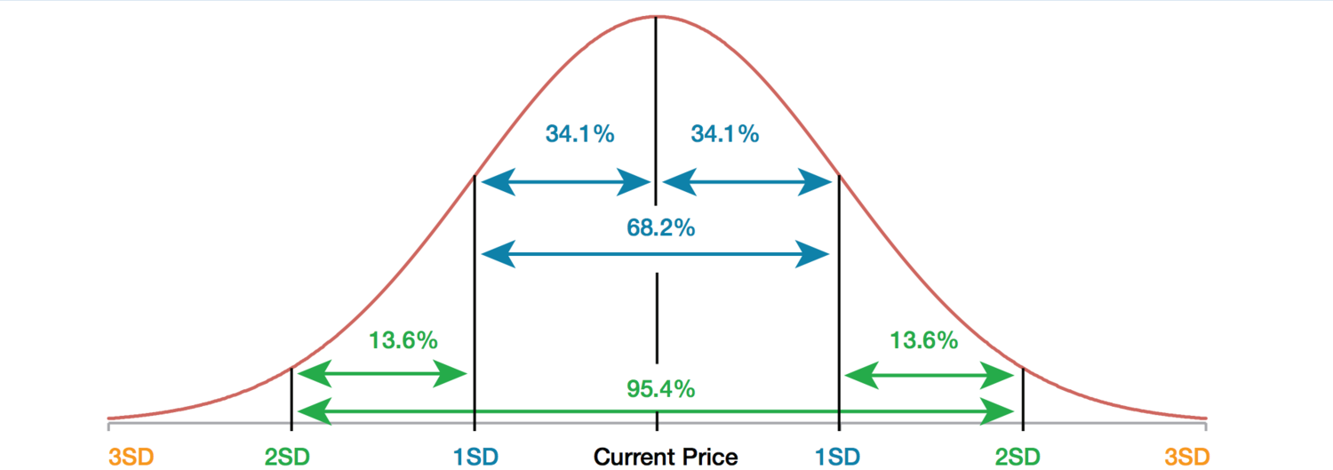
Murid | Nilai 1 | Nilai 2 | Nilai 3 | Distribusi | Nilai 1 | Nilai 2 | Nilai 3
1 | 5 | 5 | 9 | 1 | 1 | 2 | 7
2 | 5 | 4 | 4 | 2 | 1 | 5 | 9
3 | 5 | 6 | 10 | 3 | 4 | 7 | 10
4 | 1 | 9 | 6 | 4 | 25 | 14 | 12
5 | 9 | 5 | 3 | 5 | 38 | 23 | 13
6 | 5 | 7 | 3 | 6 | 25 | 23 | 12
7 | 2 | 2 | 8 | 7 | 4 | 12 | 11
8 | 5 | 2 | 2 | 8 | 1 | 7 | 10
9 | 5 | 3 | 6 | 9 | 1 | 5 | 9
10 | 5 | 5 | 3 | 10 | 0 | 2 | 7
11 | 8 | 4 | 2 | MEAN | 4.7 | 5.47 | 5.48
12 | 5 | 7 | 3 | MODE | 5 | 5 | 5
13 | 5 | 1 | 4 | MEDIAN | 5 | 5 | 5
14 | 6 | 5 | 4 | STDEV | 1.15 | 1.91 | 2.63
15 | 6 | 7 | 9 | STDERR | 0.11547005384 | 0.19093337989 | 0.26341962529
16 | 4 | 6 | 7
17 | 4 | 8 | 3
18 | 4 | 3 | 2
19 | 4 | 8 | 5
Nilai 1 - Positive Kurtosis
Nilai 2 - Kurtosis Normal
Nilai 3 - kurtosis negatif
20 | 4 | 6 | 5
21 | 3 | 5 | 4
22 | 3 | 5 | 5
23 | 4 | 5 | 7
24 | 4 | 6 | 5
25 | 5 | 6 | 9
26 | 4 | 2 | 2
27 | 4 | 6 | 6
28 | 6 | 7 | 8
29 | 5 | 6 | 2
30 | 4 | 4 | 4
31 | 5 | 5 | 3
32 | 6 | 5 | 10
33 | 5 | 5 | 8
34 | 7 | 5 | 6
35 | 5 | 4 | 8
36 | 6 | 6 | 3
37 | 6 | 7 | 1
38 | 6 | 5 | 3
39 | 6 | 6 | 3
40 | 4 | 7 | 3
41 | 5 | 5 | 7
42 | 5 | 4 | 1
43 | 5 | 6 | 5
44 | 5 | 9 | 5
45 | 5 | 5 | 8
46 | 5 | 7 | 9
47 | 5 | 1 | 7
48 | 5 | 2 | 2
49 | 5 | 3 | 4
50 | 5 | 5 | 7
51 | 5 | 8 | 4
52 | 5 | 7 | 1
53 | 5 | 5 | 9
54 | 6 | 6 | 2
55 | 6 | 7 | 6
56 | 6 | 6 | 9
57 | 4 | 6 | 1
58 | 4 | 3 | 5
59 | 4 | 8 | 9
60 | 4 | 6 | 8
61 | 3 | 5 | 7
62 | 3 | 5 | 1
63 | 4 | 3 | 9
64 | 7 | 7 | 10
65 | 5 | 6 | 7
66 | 4 | 2 | 6
67 | 4 | 6 | 4
68 | 6 | 8 | 4
69 | 5 | 6 | 5
70 | 4 | 4 | 7
71 | 5 | 5 | 2
72 | 6 | 9 | 6
73 | 5 | 3 | 7
74 | 7 | 5 | 8
75 | 5 | 4 | 9
76 | 6 | 6 | 5
77 | 6 | 7 | 5
78 | 6 | 8 | 4
79 | 6 | 6 | 4
80 | 4 | 4 | 6
81 | 4 | 6 | 7
82 | 6 | 9 | 6
83 | 5 | 4 | 10
84 | 4 | 4 | 10
85 | 5 | 5 | 6
86 | 6 | 10 | 5
87 | 5 | 3 | 1
88 | 7 | 5 | 10
89 | 5 | 4 | 8
90 | 6 | 6 | 6
91 | 6 | 7 | 10
92 | 6 | 8 | 1
93 | 6 | 6 | 6
94 | 4 | 4 | 4
95 | 4 | 6 | 5
96 | 6 | 9 | 5
97 | 5 | 4 | 2
98 | 4 | 4 | 8
99 | 5 | 5 | 8
100 | 6 | 10 | 7

